Know More
Process Automation in Excel
Process Automation can reduce your time drastically and increase efficiency. Our core strength is to automate your GST, Accounting and other process so that you can focus on your core activity.
Excel Training
Excel is the most powerful tool to manage and analyse various type of data. Our courses from beginner to advanced provide in-depth knowledge about functions, tables and macro for small to large scale businesses.
Learn More | We Provide Services in Below Area
Free Live Session

Join our Youtube channel. Subscribe and Hit Notification bell for free live excel classes and Question and Answer session on Every Sunday 9PM

Join our Channel Now

Check out other courses
Online S/W for Billing & Accounting
GST is technology based law. Handling manually will increase time and cost. We provide cloud based Solution for Billing and Accounting`
Team/Task Management Tool
Task management, Team Management, Work Allocation, Status Report, Tracking of Billing and Payment for Unlimited clients and users at one place.
Hit below button and checkout other available courses
Check other Courses

Check out our Excel Tools/Utilities

Hit below button and checkout our lots of Excel Tools/Utilities which is benificial to Tax and Accounting Professionals. First you need to login as User. If you are already registered, please login and if already not registered, please register first.
Check Our Tools

Activate Function
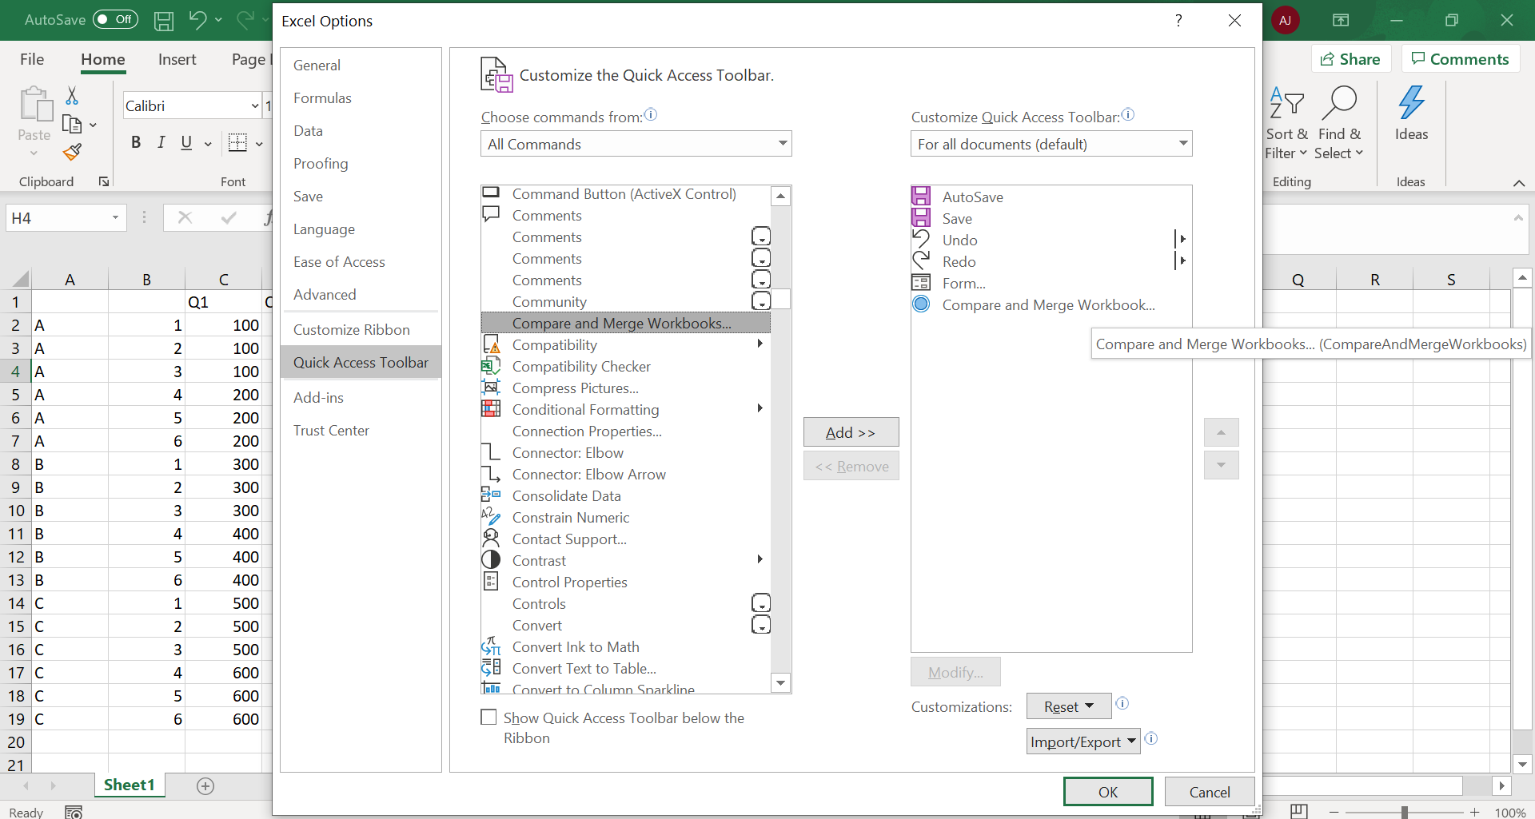
File - Options - Quick Access Toolbar - All commands - Compare and Merge workbooks - Add

